Output calculations for GNVR
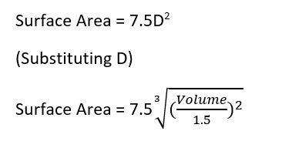

GNVR | Values | Units
volume | 118.31806271 | m3
Surface Area | 148.90537004 | m2
Max Diameter | 4.2511860284 | m
Length | 12.966117387 | m

For Required Payload to Volume

GNVR | Values | Units
volume | 70 | m3
Surface Area | 104.94015149 | m2
Max Diameter | 3.5688292775 | m
Length | 10.884929296 | m

For Required Volume to Payload

Output Calculations for OS
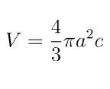
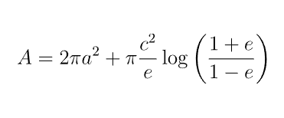
Oblate Spheroid | Values | Units | major axis (Max Diameter) | 7.12
volume | 118.32 | m3 | minor axis (Height) | 4.45
a/c | 1.60 | phi
a | 3.56 | m
c | 2.23 | m
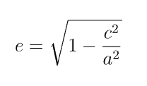
e | 0.78
Surface Area | 121.49 | m2 |  |  | Variables | Meaning
For Required Payload To Volume |  |  |  |  | a | semi major axis
 |  |  |  |  | c | semi minor axis
Oblate Spheroid | Values | Units | major axis (Max Diameter) | 5.98 | e | eccentricity
volume | 70.00 | m3 | minor axis (Height) | 3.74
a/c | 1.60 | phi
a | 2.99 | m
c | 1.87 | m
e | 0.78
Surface Area | 85.62 | m2
For Required Volume To Payload

Required Payload to Volume
Variable | Value | Units | Universal Constants | value | Units
Operating altitude (OA) | 1150.00 | m | temperature decrease for altitude | 0.0065 | K/m
Temperature | 280.53 | k | relative density of water vapour | 0.378
Pressure Ratio | 0.87 |  | aerostatic lift constant | 0.03416
Pressure at OA | 87996.37 |  | relative density of lifting gas | 0.1382 | He
Ambient Temperature | 295.53 | k
 | 22.38 | c
Saturation Vapour Pressure | 2689.00 | Pa
Actual Vapour Pressure | 2151.20 | Pa
Gross Lift | 1192.36 | N
Weight of Lifting Gas | 169.11 | N
Ln | 1023.25 | N | Required Net Lift : | 1023.25 | N

Required Lift To Volume
 |  |  | OUTPUT | Values | Units
 |  |  | Required Volume | 118.32 | m3
 |  |  | Surface Area | 148.91 | m2
 |  |  | Max Diameter | 4.25 | m
Difference | 0.00 |  | Length/Height | 12.97 | m
Click button until difference = 0 |  |  | Mass of System | 104.41 | Kg
 |  |  | Gas Leaked During Deployment | 3.13 | m3
 |  |  |  | 2.64 | % of initial volume
 |  |  | Days taken for bouyancy to reach 90% of initial volume | 26.49 | Days

Miscellanous Information
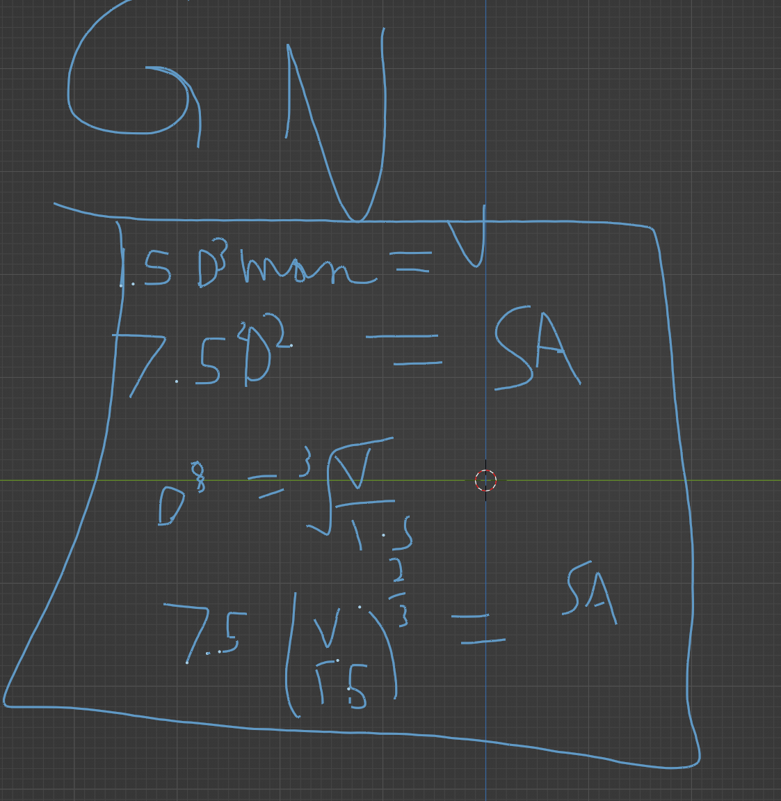
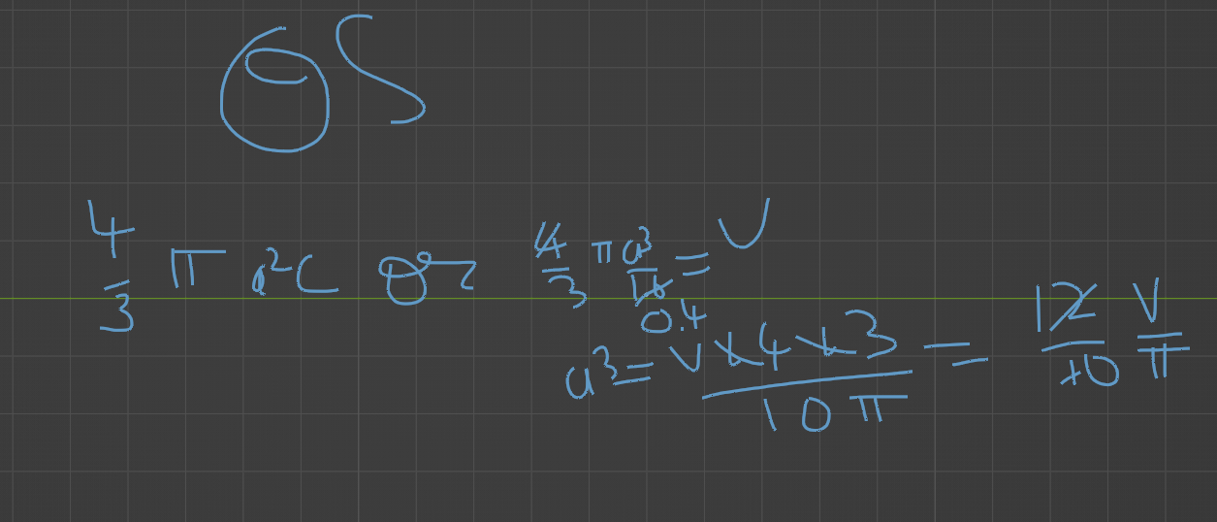
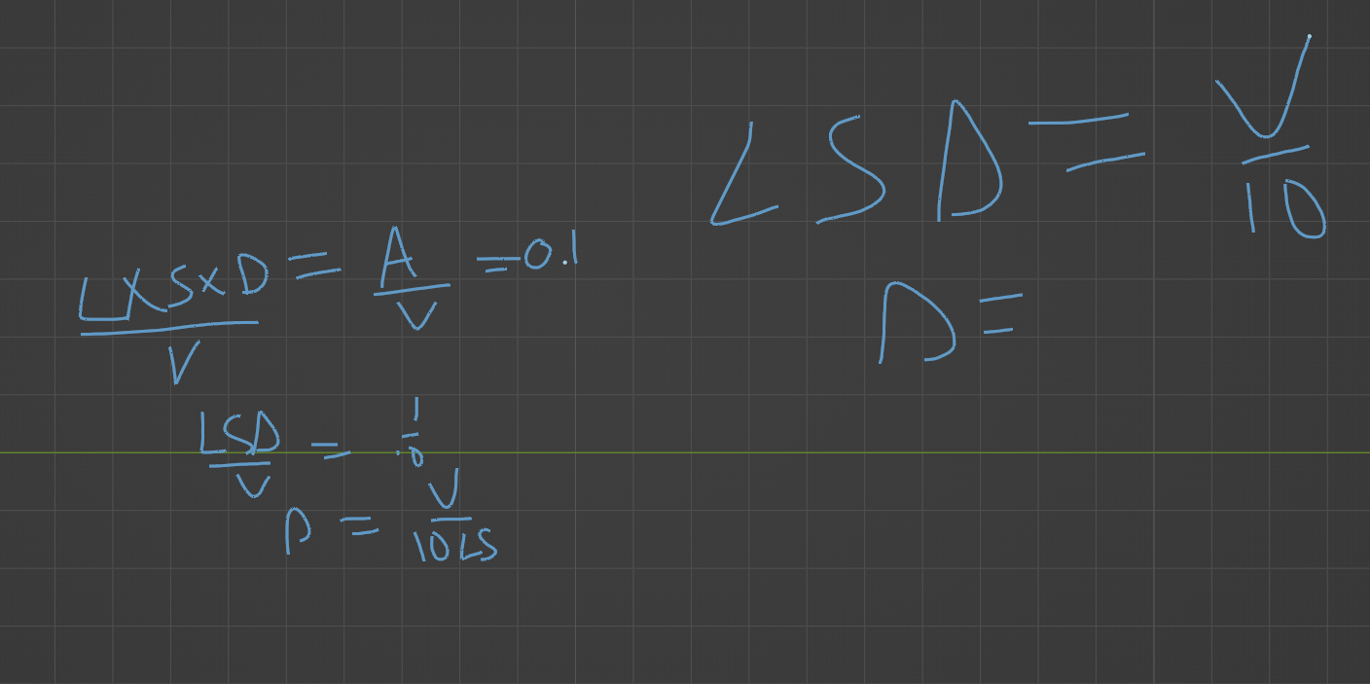
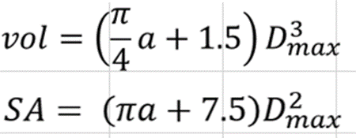
70m3 | 7 day leakage | 2.80%
 | 24 day leak | 10%

all values not given are roughly assumed

Report Information
 |  |  | The User specifies all these values after which the software outputs volume, surface area, dimensions of the envelope and the total weight of the system

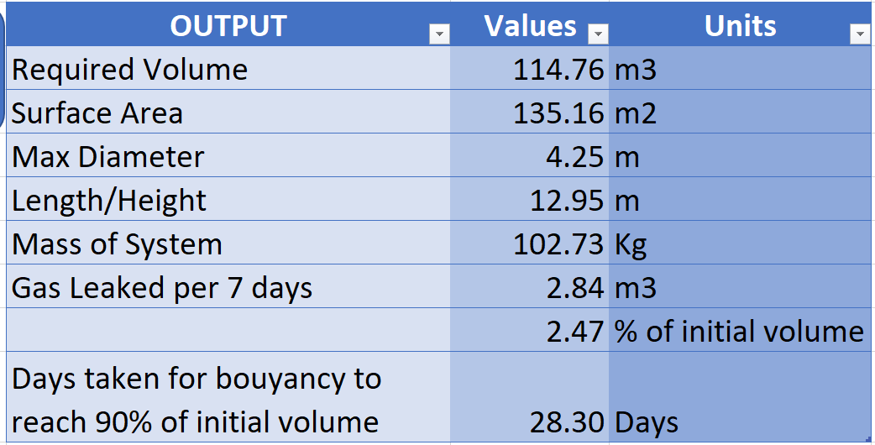
 | provided outputs

 |  | formulae and derivations used are available in the sheet titled miscelanneous information

The formulae for volume of GNVR shape were taken from gnvr sizing spreadsheet available at https://github.com/suvarnasohan/ModGNVRAirshipSizing/

2 scenarios were carried out, one assuming a volume of 70m3 and one using the spreadsheet in the intended way

